Horwitz
Predicted by Horwitz
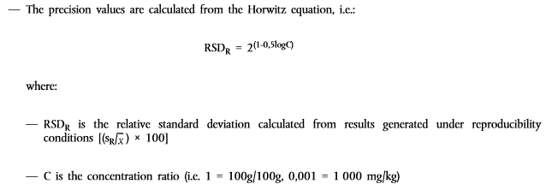
Horwitz
 |  |  |  |  |  | Horwitz - 1982

 |  |  |  |  |  |  |  |  |  |  |  |  |  |  |  |  | C m/m | +RSD | -RDS | SD
 |  |  |  |  |  |  |  |  |  |  |  |  |  |  |  |  | 1 | 2 | -2 | 0.02 | 2%
 |  |  |  |  |  |  |  |  |  |  |  |  |  |  |  |  | 0.1 | 2.8284271247 | -2.8284271247 | 0.0028283294501 | 3%
 |  |  |  |  |  | 1000 ppm |  |  |  |  |  |  |  |  |  |  | 0.001 | 5.6568542495 | -5.6568542495 | 5.6562682221E-05 | 6%
Prediicted by
Horwitz
 |  |  |  |  |  | 100 ppm |  |  |  |  |  |  |  |  |  |  | 1.00E-04 | 8 | -8 | 7.9988949952E-06 | 8%
 |  |  |  |  |  | 10 ppm |  |  |  |  |  |  |  |  |  |  | 1.00E-05 | 11.313708499 | -11.313708499 | 1.1311755142E-06 | 11%
 |  |  |  |  |  | ppm |  |  |  |  |  |  |  |  |  |  | 1.00E-06 | 16 | -16 | 1.59966851E-07 | 16%
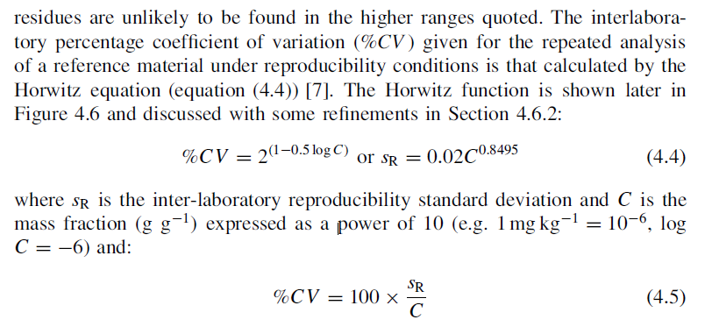
 |  |  |  |  |  | 100 ppb |  |  |  |  |  |  |  |  |  |  | 1.00E-07 | 2.26E+01 | -22.627416998 | 2.2621947787E-08 | 23%
 |  |  |  |  |  | 10ppb |  |  |  |  |  |  |  |  |  |  | 1.00E-08 | 3.20E+01 | -32 | 3.1991160572E-09 | 32%
 |  |  |  |  |  | ppb |  |  |  |  |  |  |  |  |  |  | 0.000000001 | 45.254833996 | -45.254833996 | 4.5240770795E-10 | 45%
 |  |  |  |  |  | 0.1 ppb |  |  |  |  |  |  |  |  |  |  | 1E-10 | 64 | -64 | 6.3977902194E-11 | 64%
 |  |  |  |  |  |  |  |  |  |  |  |  |  |  |  |  | 1E-12 | 128 | -128 | 1.279469671E-12 | 128%

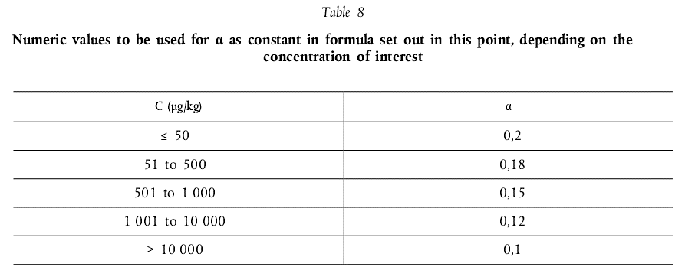
 |  | 2 |  |  | Concentration as
 | C(m/M)= | 1.00E-02 |  |  | C(m/M)= | 0.01
 | (+-RSD)= | 4.00 |  |  | (+-RSD)= | 4.00
 |  | -4.00
 |  | 18.82
 | SD_H= | 4.00E-04 |  | Michael Thompson and Roger Wood - Using uncertainty to predict and specify the performance of analytical method
 | RSD_H= | 4% |  | LOD | α | C |  | Horwiz RSD% | Max u_
 |  |  |  | 2.80E-07 | 14 | 3.40E-07 | 0.0000001 | 18.82 | 6.3990919322E-08
 |  |  |  |  |  |  | 7
Uncertainty function: algebraic relationship describing
how uncertainty of measurement varies with the concentration of the analyte in respect of a specific analytical procedure applied to a defined class of test material.
Fitness function: uncertainty function that specifies levels
of uncertainty regarded as fit for purpose. balances the cost of analysis against potential losses due to incorrect decisionsuncertainty
function could simply be agreed between the laboratory and
the customer on the basis of experience and professional
judgement, or might be defined by an agency representing a
whole application sector of chemical analysis.
Characteristic function: uncertainty function that describes performance (referring to the results obtained by a defined analytical procedure in particular circumstances.
Characteristic functions are determined by method validation, in which the uncertainty is estimated at various
relevant concentrations of the analyte. Never-the-less it is useful to extend the concept to apply to a method it is a characteristic function for a particular laboratory: the function may or may not apply to other laboratories.
The method advocated here is to build up
an estimated characteristic function starting with a skeleton
obtained from precision information
relative standard uncertainty RSU |  |  |  | 28 | 14 | 3.40E+01 |  | 500
 |  |  |  | P | Q | C |  | RSD
 |  |  |  | 2.8 | 0.14 | 3.4 |  | 50
 |  |  | u | 2.1019990485
 |  |  |  |  | C | u_r | u_fit | u_r - u_fit | FFP uncertainty
u | 1.4004999107E-07 |  | 0.1 |  | 1.00E-08 | 1.4004999107E-07 | 0.000000005 | 1.3504999107E-07 | uncertainty of the method
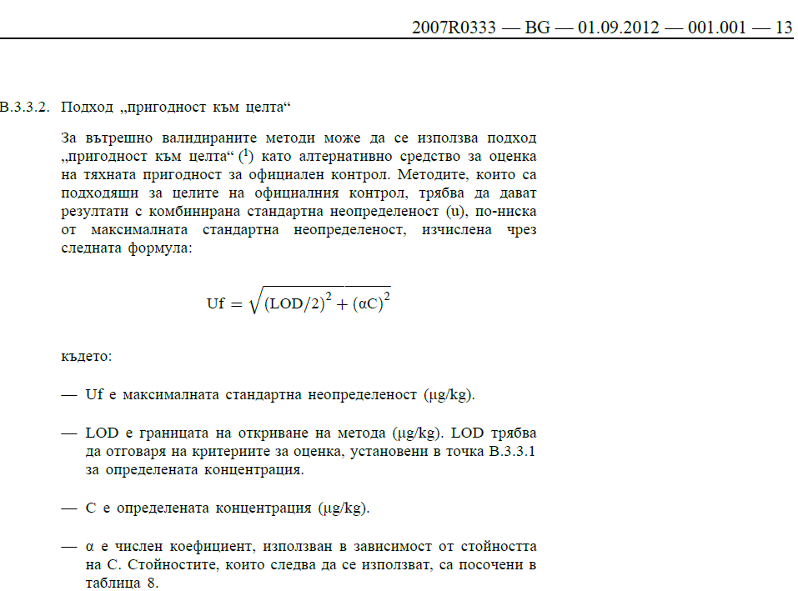
 | 1.5874507866E-07 |  | 2 |  | 2.00E-07 | 1.5874507866E-07 | 0.0000001 | 5.8745078664E-08
 | 2.0222264957E-07 |  | 3.9 |  | 3.90E-07 | 2.0222264957E-07 | 0.000000195 | 7.2226495722E-09
 | 2.5825568726E-07 |  | 5.8 |  | 5.80E-07 | 2.5825568726E-07 | 0.00000029 | -3.1744312744E-08
 | 3.2032171328E-07 |  | 7.7 |  | 7.70E-07 | 3.2032171328E-07 | 0.000000385 | -6.4678286718E-08
 | 3.8551783357E-07 |  | 9.6 |  | 9.60E-07 | 3.8551783357E-07 | 0.00000048 | -9.4482166431E-08
 | 4.5249309387E-07 |  | 11.5 |  | 1.15E-06 | 4.5249309387E-07 | 0.000000575 | -1.2250690613E-07
 | 5.2056123559E-07 |  | 13.4 |  | 1.34E-06 | 5.2056123559E-07 | 0.00000067 | -1.4943876441E-07
 | 5.8934370277E-07 |  | 15.3 |  | 1.53E-06 | 5.8934370277E-07 | 0.000000765 | -1.7565629723E-07
 | 6.5861673225E-07 |  | 17.2 |  | 1.72E-06 | 6.5861673225E-07 | 0.00000086 | -2.0138326775E-07
 | 7.2824034494E-07 |  | 19.1 |  | 1.91E-06 | 7.2824034494E-07 | 0.000000955 | -2.2675965506E-07
 | 7.9812279757E-07 |  | 21 |  | 2.10E-06 | 7.9812279757E-07 | 0.00000105 | -2.5187720243E-07
 | 8.6820158949E-07 |  | 22.9 |  | 2.29E-06 | 8.6820158949E-07 | 0.000001145 | -2.7679841051E-07
 | 9.38432736E-07 |  | 24.8 |  | 2.48E-06 | 9.38432736E-07 | 0.00000124 | -3.01567264E-07
 | 1.008784417E-06 |  | 26.7 |  | 2.67E-06 | 1.008784417E-06 | 0.000001335 | -3.2621558299E-07

 |  |  |  |  |  |  |  |  |  | 3
 |  |  |  |  |  |  |  |  |  | $K$38 | 0 | X1= | 7.2226495722E-09 | Y1= | 0
 |  |  |  |  |  |  |  |  |  | $I$38 | 7.2226495722E-09 | X2= | 7.2226495722E-09 | Y2= | 0

 |  |  |  |  |  |  |  |  |  |  |  | X1= | 0 | Y1= | 0
 |  |  |  |  |  |  |  |  |  |  |  | X2= | 7.2226495722E-09 | Y2= | 0

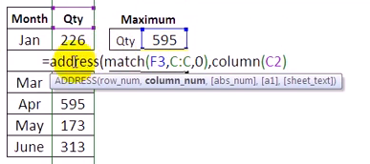

 |  |  |  |  |  |  |  |  |  |  |  |  |  |  |  | Разработка за учебни цели ВК

